Eye-tracking details
Technical details eye-tracking setup - Example

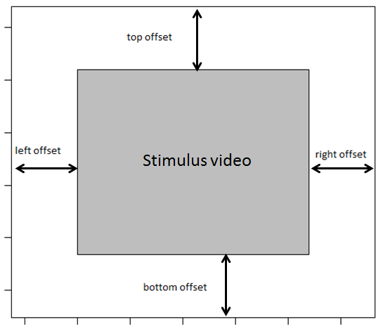
Lab name | koku-hamburg
Eye-tracking system | Tobii Pro X3-120

Screen resolution in pixels
Width | 1920
Height | 1200
Screen dimensions in mm
Width | 518
Height | 325
Distance at which the infant was seated from the screen in mm
distance | 620
Samplerate of the eye-tracker in Hz
samplerate | 120

Variable names
Please specify the names of the variables in the raw eye-tracking data file that refer to the:

Participant ID | RecordingName
Stimuli | MediaName
Trial | PresentationSequence |  | Order

AOI information
Please specify where the stimulus video was located on the screen, see figure

left offset in pixels | 240
right offset in pixels | 240
top offset in pixels | 0 |  | but video had a black bar of 25px on the bottom and 25px on the top
bottom offset in pixels | 0

Was the stimulus video presented as described in this document:
https://docs.google.com/spreadsheets/d/1iu16TyhN314nUV3a5oGx4oHPnXf39-rzmQa4Psj7pD0/
 | yes | AOIs seem a little bit longer, but only a few pixels (ca 25px) - maybe because of the bar

